Script
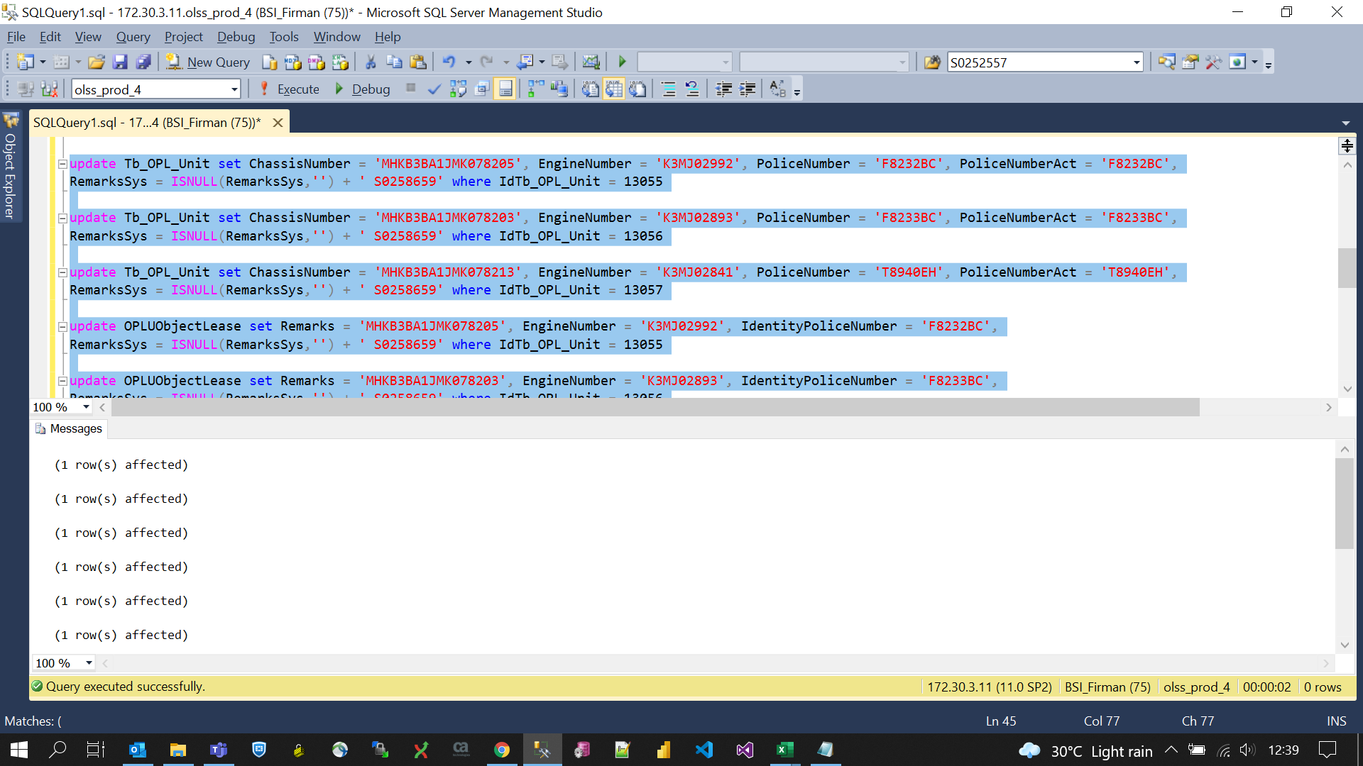
update Tb_OPL_Unit set ChassisNumber = 'MHKB3BA1JMK078205', EngineNumber = 'K3MJ02992', PoliceNumber = 'F8232BC', PoliceNumberAct = 'F8232BC',
RemarksSys = ISNULL(RemarksSys,'') + ' S0258659' where IdTb_OPL_Unit = 13055

update Tb_OPL_Unit set ChassisNumber = 'MHKB3BA1JMK078203', EngineNumber = 'K3MJ02893', PoliceNumber = 'F8233BC', PoliceNumberAct = 'F8233BC',
RemarksSys = ISNULL(RemarksSys,'') + ' S0258659' where IdTb_OPL_Unit = 13056

update Tb_OPL_Unit set ChassisNumber = 'MHKB3BA1JMK078213', EngineNumber = 'K3MJ02841', PoliceNumber = 'T8940EH', PoliceNumberAct = 'T8940EH',
RemarksSys = ISNULL(RemarksSys,'') + ' S0258659' where IdTb_OPL_Unit = 13057

update OPLUObjectLease set Remarks = 'MHKB3BA1JMK078205', EngineNumber = 'K3MJ02992', IdentityPoliceNumber = 'F8232BC',
RemarksSys = ISNULL(RemarksSys,'') + ' S0258659' where IdTb_OPL_Unit = 13055

update OPLUObjectLease set Remarks = 'MHKB3BA1JMK078203', EngineNumber = 'K3MJ02893', IdentityPoliceNumber = 'F8233BC',
RemarksSys = ISNULL(RemarksSys,'') + ' S0258659' where IdTb_OPL_Unit = 13056

update OPLUObjectLease set Remarks = 'MHKB3BA1JMK078213', EngineNumber = 'K3MJ02841', IdentityPoliceNumber = 'T8940EH',
RemarksSys = ISNULL(RemarksSys,'') + ' S0258659' where IdTb_OPL_Unit = 13057

Screenshot
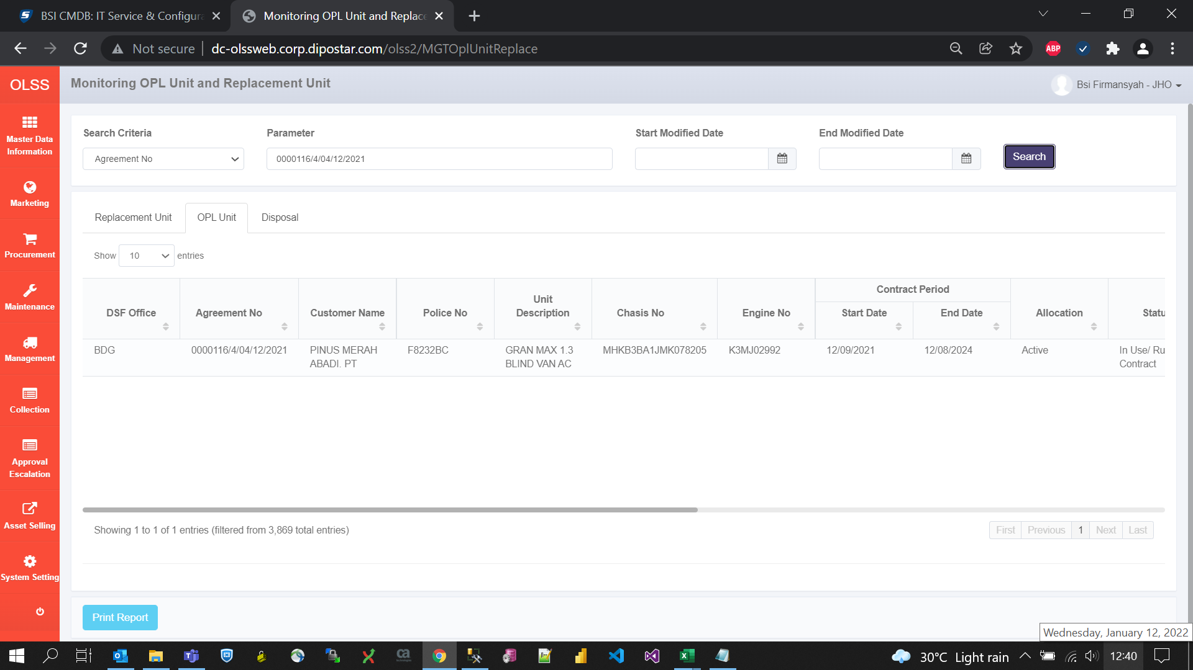
BEFORE
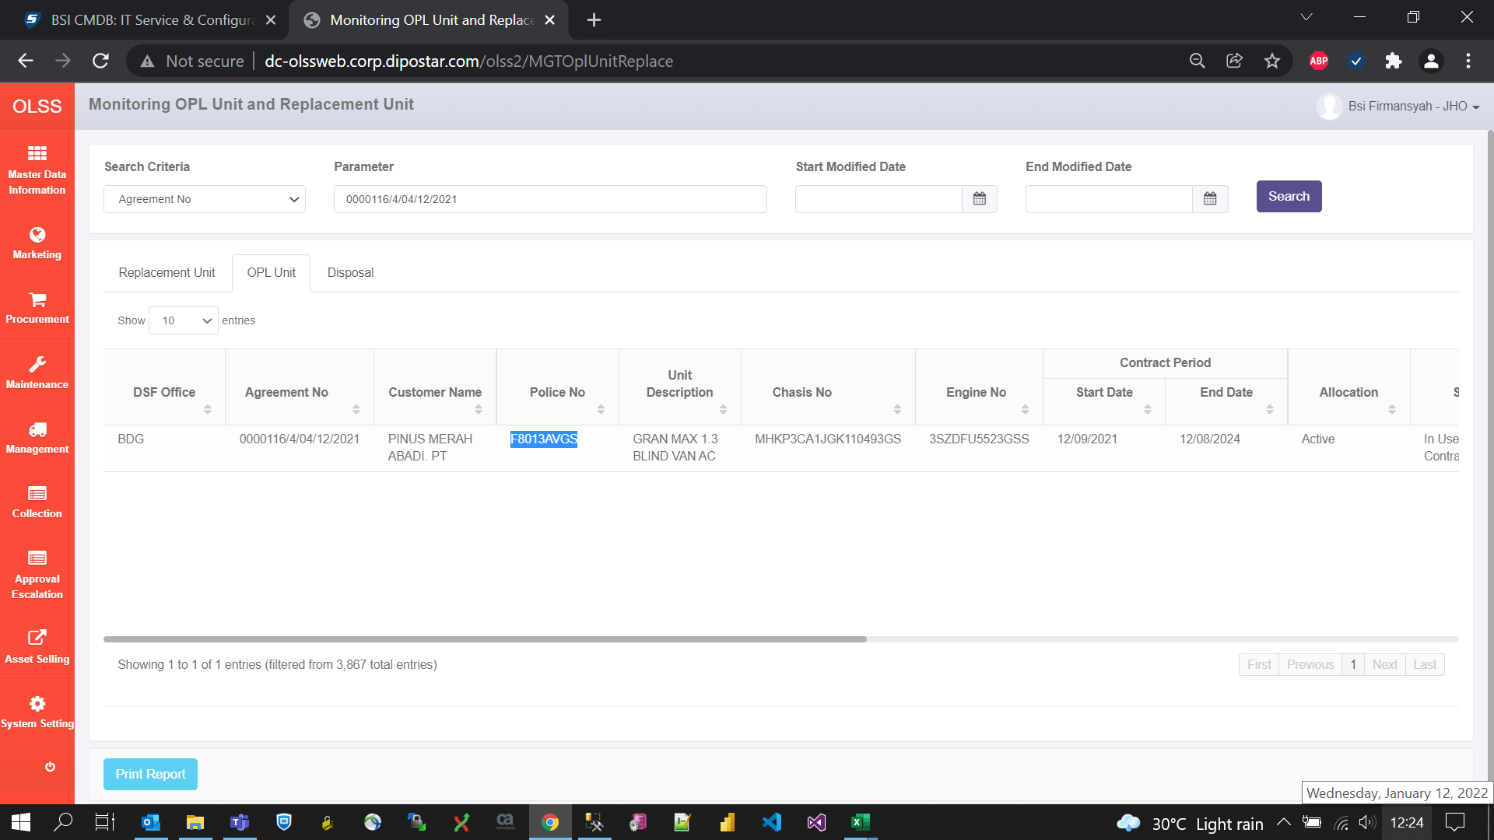

AFTER

